Schedule by Day
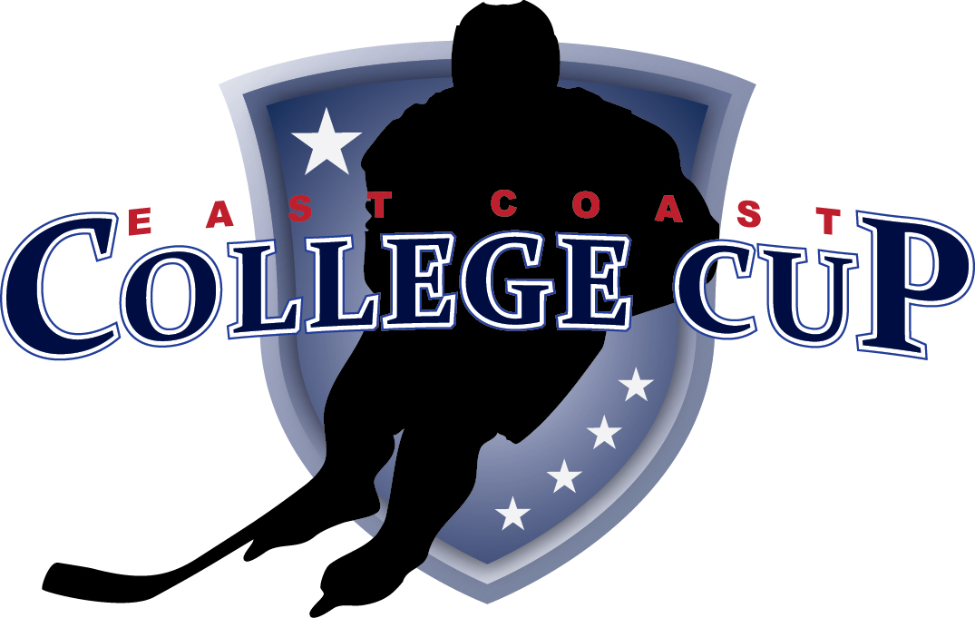

 |  | College Cup Game Listing 2013
 |  | Games by Day

Day | Date | Time | Division | Home | Away | Rink
Friday | 2013-10-18 | 10:30:00 | U16 National | Selects Academy/Central | Colorado Rough Riders | Newington Blue
Friday | 2013-10-18 | 11:00:00 | U18 National | Selects Academy/Central | Colorado Rough Riders | Newington Red
Friday | 2013-10-18 | 12:00:00 | U16 American | Selects Academy U15 | Michigan Warriors | Cromwell Upper
Friday | 2013-10-18 | 12:00:00 | U18 American | National Sports Academy | Sainte Foye | Newington Blue
Friday | 2013-10-18 | 12:30:00 | U18 National | Wilkes Barre | NJ Hitmen | Newington Red
Friday | 2013-10-18 | 13:30:00 | U16 American | Rochester Grizzlies | Boston Advantage Lovell | Newington Blue
Friday | 2013-10-18 | 14:00:00 | U16 American | Middlesex Islanders Black | West Haven | Cromwell Upper
Friday | 2013-10-18 | 14:00:00 | U16 National | Wilkes Barre | Anaheim Jr Ducks | Newington Red
Friday | 2013-10-18 | 14:00:00 | 1999 | Boston Advantage | Westchester Express | Westminster
Friday | 2013-10-18 | 14:30:00 | U16 American | Florida Alliance | PAL Islanders | Cromwell Lower
Friday | 2013-10-18 | 15:00:00 | U16 American | Long Island Royals | Pittsburgh Selects | Newington Blue
Friday | 2013-10-18 | 15:30:00 | U16 National | Boston Advantage | Applecore | Cromwell Upper
Friday | 2013-10-18 | 15:30:00 | U16 National | CT Oilers | Boston Vipers | Newington Red
Friday | 2013-10-18 | 15:30:00 | 1999 | CT Wolf Pack | Amherst Knights | Westminster
Friday | 2013-10-18 | 16:30:00 | U18 American | Boston Advantage Blue | CT Wolverines | Newington Blue
Friday | 2013-10-18 | 17:00:00 | U18 National | NJ Rockets | Middlesex Islanders | Cromwell Upper
Friday | 2013-10-18 | 17:00:00 | 1999 | Vermont Glades | Rochester Monarchs | Simsbury NHL
Friday | 2013-10-18 | 17:00:00 | U16 American | RI Saints | CP Dynamo | Simsbury OLY
Friday | 2013-10-18 | 17:00:00 | 1999 | Springfield Rifles | CT Chiefs | Westminster
Friday | 2013-10-18 | 18:30:00 | U16 National | Rochester Monarchs | NJ Avalanche | Cromwell Lower
Friday | 2013-10-18 | 18:30:00 | U16 National | CT Wolf Pack | Springfield Rifles | Cromwell Upper
Friday | 2013-10-18 | 18:30:00 | U18 American | CT Wolf Pack | Delaware Ducks | Simsbury NHL
Friday | 2013-10-18 | 18:30:00 | U16 American | Southern Stars | CT Wolf Pack | Simsbury OLY
Friday | 2013-10-18 | 18:30:00 | U18 National | Springfield Rifles | CT Chiefs/Yale | Wesleyan
Friday | 2013-10-18 | 18:30:00 | U18 American | Albany Titans | Boston Advantage Black | Westminster
Friday | 2013-10-18 | 20:00:00 | U16 National | LI Gulls | Stamford Sharks | Cromwell Lower
Friday | 2013-10-18 | 20:00:00 | U18 National | CT Wolf Pack | Belle Tire | Cromwell Upper
Friday | 2013-10-18 | 20:00:00 | U18 American | CT Oilers | CT Chiefs | Simsbury NHL
Friday | 2013-10-18 | 20:00:00 | U18 American | NJ Avalanche | Junior Bruins | Simsbury OLY
Friday | 2013-10-18 | 20:00:00 | U18 National | Mid Fairfield | Boston Advantage | Wesleyan
Friday | 2013-10-18 | 20:00:00 | U16 National | CT Chiefs/Yale | Boston Bandits | Westminster

Day | Date | Time | Division | Home | Away | Rink
Saturday | 2013-10-19 | 8:00:00 | U16 National | Boston Vipers | Boston Advantage | Cromwell Lower
Saturday | 2013-10-19 | 8:00:00 | U18 American | Boston Advantage Blue | CT Oilers | Simsbury NHL
Saturday | 2013-10-19 | 8:00:00 | U16 American | Long Island Royals | Southern Stars | Simsbury OLY
Saturday | 2013-10-19 | 8:00:00 | 1999 | Amherst Knights | Westchester Express | Westminster
Saturday | 2013-10-19 | 9:00:00 | U16 American | RI Saints | Florida Alliance | Newington Blue
Saturday | 2013-10-19 | 9:30:00 | U16 National | Applecore | CT Oilers | Cromwell Lower
Saturday | 2013-10-19 | 9:30:00 | U18 National | Boston Advantage FS | Colorado Rough Riders | Cromwell Upper
Saturday | 2013-10-19 | 9:30:00 | U16 American | CP Dynamo | West Haven | Simsbury NHL
Saturday | 2013-10-19 | 9:30:00 | 1999 | CT Chiefs | Rochester Monarchs | Simsbury OLY
Saturday | 2013-10-19 | 9:30:00 | U16 American | Michigan Warriors | PAL Islanders | Wesleyan
Saturday | 2013-10-19 | 9:30:00 | 1999 | CT Wolf Pack | Boston Advantage | Westminster
Saturday | 2013-10-19 | 10:30:00 | U16 American | Boston Advantage Lovell | Middlesex Islanders Black | Newington Blue
Saturday | 2013-10-19 | 11:00:00 | U16 National | Boston Bandits | NJ Avalanche | Cromwell Lower
Saturday | 2013-10-19 | 11:00:00 | U16 National | Wilkes Barre | Springfield Rifles | Cromwell Upper
Saturday | 2013-10-19 | 11:00:00 | U18 American | Boston Advantage Black | NJ Avalanche | Simsbury NHL
Saturday | 2013-10-19 | 11:00:00 | U18 American | Albany Titans | Junior Bruins | Simsbury OLY
Saturday | 2013-10-19 | 11:00:00 | U18 American | National Sports Academy | Delaware Ducks | Wesleyan
Saturday | 2013-10-19 | 11:00:00 | 1999 | Springfield Rifles | Vermont Glades | Westminster
Saturday | 2013-10-19 | 12:20:00 | U18 American | CT Oilers | CT Wolverines | Westminster
Saturday | 2013-10-19 | 12:30:00 | U16 National | Stamford Sharks | Colorado Rough Riders | Cromwell Lower
Saturday | 2013-10-19 | 12:30:00 | U16 National | CT Wolf Pack | Anaheim Jr Ducks | Cromwell Upper
Saturday | 2013-10-19 | 12:30:00 | U18 American | CT Wolf Pack | Sainte Foye | Simsbury NHL
Saturday | 2013-10-19 | 12:30:00 | U18 American | Boston Advantage Blue | CT Chiefs | Simsbury OLY
Saturday | 2013-10-19 | 12:30:00 | U16 National | CT Chiefs/Yale | Rochester Monarchs | Wesleyan
Saturday | 2013-10-19 | 13:30:00 | U18 National | Belle Tire | NJ Hitmen | Yale
Saturday | 2013-10-19 | 14:00:00 | U18 National | NJ Rockets | CT Chiefs/Yale | Cromwell Lower
Saturday | 2013-10-19 | 14:00:00 | U18 National | Springfield Rifles | Middlesex Islanders | Cromwell Upper
Saturday | 2013-10-19 | 14:00:00 | U16 American | Rochester Grizzlies | Selects Academy U15 | Simsbury NHL
Saturday | 2013-10-19 | 14:00:00 | U16 American | Southern Stars | Pittsburgh Selects | Simsbury OLY
Saturday | 2013-10-19 | 14:00:00 | U18 National | CT Wolf Pack | Wilkes Barre | Wesleyan
Saturday | 2013-10-19 | 14:00:00 | 1999 | Amherst Knights | Boston Advantage | Westminster
Saturday | 2013-10-19 | 15:30:00 | U16 National | LI Gulls | Selects Academy/ Central | Cromwell Lower
Saturday | 2013-10-19 | 15:30:00 | U18 National | Selects Academy/Central | Boston Advantage FS | Cromwell Upper
Saturday | 2013-10-19 | 15:30:00 | U16 National | Applecore | Boston Vipers | Hamden
Saturday | 2013-10-19 | 15:30:00 | U16 American | West Haven | PAL Islanders | Simsbury NHL
Saturday | 2013-10-19 | 15:30:00 | U16 American | RI Saints | Middlesex Islanders Black | Simsbury OLY
Saturday | 2013-10-19 | 15:30:00 | U18 National | Colorado Rough Riders | Mid Fairfield | Wesleyan
Saturday | 2013-10-19 | 15:30:00 | 1999 | CT Wolf Pack | Westchester Express | Westminster
Saturday | 2013-10-19 | 15:50:00 | U18 American | Albany Titans | NJ Avalanche | Newington Red
Saturday | 2013-10-19 | 17:00:00 | U16 National | CT Wolf Pack | Wilkes Barre | Cromwell Lower
Saturday | 2013-10-19 | 17:00:00 | U16 National | Boston Advantage FS | CT Oilers | Cromwell Upper
Saturday | 2013-10-19 | 17:00:00 | U16 National | CP Dynamo | Boston Bandits | Hamden
Saturday | 2013-10-19 | 17:00:00 | U18 American | Delaware Ducks | Sainte Foye | Simsbury NHL
Saturday | 2013-10-19 | 17:00:00 | U18 American | CT Chiefs | CT Wolverines | Simsbury OLY
Saturday | 2013-10-19 | 17:00:00 | U16 National | CT Chiefs/Yale | NJ Avalanche | Wesleyan
Saturday | 2013-10-19 | 17:00:00 | 1999 | CT Chiefs | Vermont Glades | Westminster
Saturday | 2013-10-19 | 17:30:00 | U18 American | Boston Advantage Black | Junior Bruins | Newington Red
Saturday | 2013-10-19 | 18:30:00 | U16 National | LI Gulls | Colorado Rough Riders | Choate Rosemary Hall
Saturday | 2013-10-19 | 18:30:00 | U16 American | Rochester Grizzlies | Michigan Warriors | Simsbury NHL
Saturday | 2013-10-19 | 18:30:00 | U16 American | Boston Advantage Lovell | Selects Academy U15 | Simsbury OLY
Saturday | 2013-10-19 | 18:30:00 | U16 American | Long Island Royals | CT Wolf Pack | Hamden
Saturday | 2013-10-19 | 18:40:00 | U16 National | Selects Academy/Central | Stamford Sharks | Cromwell Lower
Saturday | 2013-10-19 | 18:40:00 | U18 National | Belle Tire | Wilkes Barre | Cromwell Upper
Saturday | 2013-10-19 | 18:40:00 | U18 American | CT Wolf Pack | National Sports Academy | Wesleyan
Saturday | 2013-10-19 | 18:40:00 | 1999 | Springfield Rifles | Rochester Monarchs | Westminster
Saturday | 2013-10-19 | 20:00:00 | U18 National | Springfield Rifles | NJ Rockets | Choate Rosemary Hall
Saturday | 2013-10-19 | 20:00:00 | U18 National | Mid Fairfield | Selects Academy/ Central | Cromwell Lower
Saturday | 2013-10-19 | 20:00:00 | U18 National | CT Wolf Pack | NJ Hitmen | Cromwell Upper
Saturday | 2013-10-19 | 20:00:00 | U16 American | CT Wolf Pack | Pittsburgh Selects | Simsbury NHL
Saturday | 2013-10-19 | 20:00:00 | U16 American | Florida Alliance | Rochester Monarchs | Simsbury OLY
Saturday | 2013-10-19 | 20:00:00 | U18 National | CT Chiefs/Yale | Middlesex Islanders | Wesleyan
Saturday | 2013-10-19 | 20:00:00 | U16 National | Springfield Rifles | Anaheim Jr Ducks | Westminster

Day | Date | Time | Division | Home | Away | Rink
Sunday | 2013-10-20 | 2:10:00 | U16 National | Consolation U16 National | 13 v 14 | Cromwell Lower
Sunday | 2013-10-20 | 8:00:00 | U16 American | Playoff U16 American | 3 v 6 | Choate Rosemary Hall
Sunday | 2013-10-20 | 8:00:00 | U16 National | Playoff U16 National | 4 v 5 | Cromwell Lower
Sunday | 2013-10-20 | 8:00:00 | U16 National | Playoff U16 National | 3 v 6 | Cromwell Upper
Sunday | 2013-10-20 | 8:00:00 | U16 American | Playoff U16 American | 4 v 5 | Quinnipiac
Sunday | 2013-10-20 | 8:00:00 | 1999 | Semi Final 1999 | Semi Final 1999 | Simsbury NHL
Sunday | 2013-10-20 | 8:00:00 | 1999 | Semi Final 1999 | Semi Final 1999 | Simsbury OLY
Sunday | 2013-10-20 | 8:00:00 | U18 National | U18 National Consolation | 7 v 8 | Wesleyan
Sunday | 2013-10-20 | 8:00:00 | 1999 | 99 Consolation | 5 v 6 | Westminster
Sunday | 2013-10-20 | 8:00:00 | U16 National | Consolation U16 National | 7 v 8 | Yale
Sunday | 2013-10-20 | 9:10:00 | U18 American | Playoff U18 American | 3 v 6 | Choate Rosemary Hall
Sunday | 2013-10-20 | 9:10:00 | U18 National | Playoff U18 National | 4 v 5 | Cromwell Lower
Sunday | 2013-10-20 | 9:10:00 | U18 National | Playoff U18 National | 3 v 6 | Cromwell Upper
Sunday | 2013-10-20 | 9:10:00 | U18 American | Playoff U18 American | 4 v 5 | Quinnipiac
Sunday | 2013-10-20 | 9:10:00 | U18 American | U18 American Consolation | 7 v 8 | Simsbury NHL
Sunday | 2013-10-20 | 9:10:00 | U16 American | U16 American Consolation | 7 v 8 | Simsbury OLY
Sunday | 2013-10-20 | 9:30:00 | U18 National | U18 National Consolation | 9 v 10 | Wesleyan
Sunday | 2013-10-20 | 9:30:00 | 1999 | 99 Consolation | 7 v 8 | Westminster
Sunday | 2013-10-20 | 9:30:00 | U18 National | Consolation U18 National | 7 v 8 | Yale
Sunday | 2013-10-20 | 10:20:00 | U16 American | Semi U16 American | #2 vs Winner 3 v 6 | Choate Rosemary Hall
Sunday | 2013-10-20 | 10:20:00 | U16 National | Semi U16 National | #1 vs winner 4 v 5 | Cromwell Lower
Sunday | 2013-10-20 | 10:20:00 | U16 National | Semi U16 National | #2 vs winner 3 v 6 | Cromwell Upper
Sunday | 2013-10-20 | 10:20:00 | U16 American | Semi U16 American | #1 vs winner 4 v 5 | Quinnipiac
Sunday | 2013-10-20 | 10:40:00 | U18 American | U18 American Consolation | 9 v 10 | Simsbury NHL
Sunday | 2013-10-20 | 10:40:00 | U16 American | U16 American Consolation | 9 v 10 | Simsbury OLY
Sunday | 2013-10-20 | 11:00:00 | U18 National | U18 National Consolation | 11 v 12 | Wesleyan
Sunday | 2013-10-20 | 11:00:00 | U16 American | U16 American Consolation | 11 v 12 | Westminster
Sunday | 2013-10-20 | 11:30:00 | U18 American | Semi U18 American | #2 vs winner 3 v 6 | Choate Rosemary Hall
Sunday | 2013-10-20 | 11:30:00 | U18 National | Semi U18 National | #1 vs winner 4 v 5 | Cromwell Lower
Sunday | 2013-10-20 | 11:30:00 | U18 National | Semi U18 National | #2 vs winner 3 v 6 | Cromwell Upper
Sunday | 2013-10-20 | 11:30:00 | U18 American | Semi U18 American | #1 vs winner 4 v 5 | Quinnipiac
Sunday | 2013-10-20 | 12:10:00 | U18 American | U18 American Consolation | 11 v 12 | Simsbury NHL
Sunday | 2013-10-20 | 12:30:00 | U16 American | U16 American Consolation | 13 v 14 | Westminster
Sunday | 2013-10-20 | 12:40:00 | U16 National | Consolation U16 National | 11 v 12 | Cromwell Lower
Sunday | 2013-10-20 | 12:40:00 | U18 National | Consolation U18 National | 9 v 10 | Cromwell Upper
Sunday | 2013-10-20 | 12:40:00 | U16 National | Consolation U16 National | 9 v 10 | Wesleyan
Sunday | 2013-10-20 | 14:00:00 | U16 National | FINALS U16 National | Finals | Quinnipiac
Sunday | 2013-10-20 | 14:00:00 | U16 American | U16 American Finals | U16 American Finals | Wesleyan
Sunday | 2013-10-20 | 14:00:00 | 1999 | Finals | 1999 Finals | Westminster
Sunday | 2013-10-20 | 14:10:00 | U18 National | Consolaion U18 National | 11 v 12 | Cromwell Upper
Sunday | 2013-10-20 | 15:10:00 | U18 National | FINALS U18 National | Finals | Quinnipiac
Sunday | 2013-10-20 | 15:30:00 | U18 American | U18 American Finals | U18 American Finals | Wesleyan

